Princess Brides
Liz Bailey is the owner of Princess Brides, a wedding dress retailer. She uses radio to market and two types of ads are available – those during prime time and those at other times. Each prime time ad costs $390 and reaches 8,200 people on average. Off-peak ads cost $240 and reach 5,100 people on average. Bailey has a budget of $1800 per week for advertising. She wants at least 2 prime time ads and no more than 6 off-peak ads. Find the best mix of ads to purchase so the most people are reached.

Note :
Using solver, solve the problem with the simplexp. If the solver returns an answer with decimal point, never round the answer. Instead, add another constraints by selecting the cell reference and int as condition. And also don't forget to check the option if the integer checkbox was uncheck.
Pure integer programming all the decision variables had to be whole number.
 | Prime Time | Off-Peak
Variables | 4 | 1
People Reach | 8200 | 5100

Objective(max) | 37900 |  |  |  |  | =SUMPRODUCT(B12:C12,B13:C13)

Constraints: |  |  | LHS | Sign | RHS
Budget | 390 | 240 | 1800 | <= | 1800 | =SUMPRODUCT($B$12:$C$12,B18:C18)
At least 2 Prime time | 1 |  | 4 | >= | 2 | =SUMPRODUCT(B19:C19,$B$12:$C$12)
No more than 6 Off Peak |  | 1 | 1 | <= | 6 | =SUMPRODUCT(B20:C20,$B$12:$C$12)

Summary Sentence
 | 2 Prime time ads and 4 off-peak ads to have a maximum of 38,075 people reach |  |  |  |  |  | <-- using simplex lp solver
 | 4 Prime time ads and 1 off-peak ads to have a maximum of 37,900 of people reach |  |  |  |  |  | <-- by adding the integer constraints in the solver

Bolsa de Cafe
Bolsa de Café is a specialty coffee shop selling custom blends of coffee using 3 types of beans. They sell two products: 20 lb bags of blended coffee beans (whole) and individual bags of ground beans sold by the pound in bulk. The ground beans can be produced in any quantity. Both bags are composed of three different beans. The 20lb bags sell for $85 and bags of ground beans sell for $1.50/lb. Find the number of 20lb bags and number of pounds of ground beans to produce subject to the constraints in the table below so that profit is maximized.

Variables: | No.of 20lb bags | No. Ground beans
 | 44 | 20
Sale Price | 85.00 | 1.50

Objective(max)
Profit | $3,770.00 |  |  |  |  | =SUMPRODUCT(B22:C22,B23:C23)

Constraints |  |  | LHS | Sign | RHS
A | 30 | 0.5 | 1330 | <= | 2000 | =SUMPRODUCT($B$22:$C$22,B29:C29)
B | 18 | 0.4 | 800 | <= | 800 | =SUMPRODUCT($B$22:$C$22,B30:C30)
C | 2 | 0.1 | 90 | <= | 200 | =SUMPRODUCT($B$22:$C$22,B31:C31)

 | Summary Sentence
 | Recommend producing 44 20lb and 20 ground mix

Practice1_Art Posters
University art student Hilda Hernandez runs a small business printing and selling wall posters. She sells two sizes of wall posters, a large 3- by 4-foot poster and a smaller 2- by 3-foot poster. The profit earned from the sale of each large poster is $5; each smaller poster earns $7. Because of her classroom schedule, Hilda has the following weekly constraints: (1) up to four large posters can be sold, (2) up to six smaller posters can be sold, and (3) up to 15 hours can be spent on posters during the week, with each large poster requiring 3 hours of work and each smaller one taking 1.5 hour.
With the semester almost over, Hilda plans on taking a 3-month summer vacation to England. She wants to maximize her profit in her final week before leaving, and she doesn’t want to leave any unfinished posters behind.

Variables: | Large Poster | Small Poster
 | 2 | 6
Sale Price | 5 | 7

Objective(max)
Profit | $52.00 |  |  |  |  | =SUMPRODUCT(B17:C17,B16:C16)

Constraints: |  |  | LHS | Sign | RHS
at most 4 large poster | 1 |  | 2 | <= | 4 | =SUMPRODUCT($B$16:$C$16,B23:C23)
at most 6 small poster |  | 1 | 6 | <= | 6 | =SUMPRODUCT($B$16:$C$16,B24:C24)
15 hrs spent | 3 | 1.5 | 15 | <= | 15 | =SUMPRODUCT(B16:C16,B25:C25)

Summary Sentence :
Since Hilda does not want to leave any incomplete posters behind, to produce a whole number of large posters and a whole number of small posters I use the integer programming as the solution for this problem.
Using Solver, the maximum profit of $52 was achieved when Hilda produces 2 large posters and 6 smaller posters.

Binary Decision
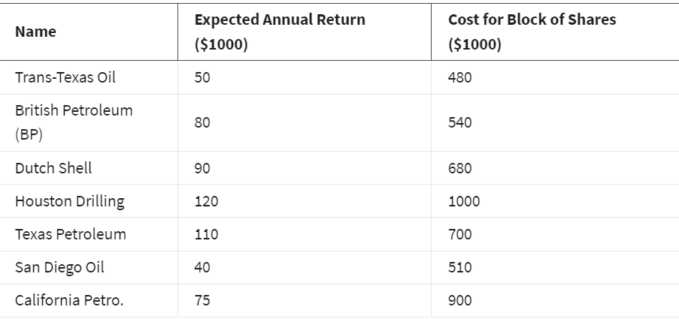
Binary Example : Investment Decision
A financial investment firm specializes in recommending oil stock portfolios for clients. One such client made the following specifications:
1.At least two Texas oil firms must be in the portfolio
2.No more than one investment can be made in foreign oil companies (companies outside of the United States).
3.One of two California oil stocks must be purchased.
4.Up to $3 million for investing to purchase single blocks of stock per table below.
Find the allocation of investments to maximize the return.

S1
S2

S3
S4
S5
S6
S7

Binary = 0 or 1
0 = No
1 = Yes

Variables: | S1 | S2 | S3 | S4 | S5 | S6 | S7
(0,1) | 0 | 0 | 1 | 1 | 1 | 1 | 0
 | 50 | 80 | 90 | 120 | 110 | 40 | 75 | (000s)

Objective(max):
Return | 360 |  |  | (000s) |  |  |  |  |  |  | =SUMPRODUCT(B33:H33,B34:H34)

Constraints |  |  |  |  |  |  |  | LHS | Sign | RHS
at least 2 TX | 1 |  |  | 1 | 1 |  |  | 2 | >= | 2 | =SUMPRODUCT($B$33:$H$33,B40:H40)
no more 1 foreign |  | 1 | 1 |  |  |  |  | 1 | <= | 1 | =SUMPRODUCT($B$33:$H$33,B41:H41)
CA |  |  |  |  |  | 1 | 1 | 1 | = | 1 | =SUMPRODUCT($B$33:$H$33,B42:H42)
Budget | 480 | 540 | 680 | 1000 | 700 | 510 | 900 | 2890 | <= | 3000 | =SUMPRODUCT($B$33:$H$33,B43:H43)

Practice2_Horizon Wireless
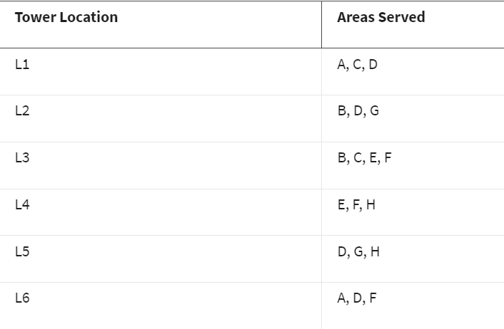
Horizon Wireless, a cellular telephone company, is expanding into a new city. Relay towers are necessary to provide wireless telephone coverage to the different areas of the city. A grid is superimposed on a map of the city to help determine where the towers should be located. The grid consists of 8 areas labeled A through H. Six possible tower locations (numbered L1–L6) have been identified, and each location could serve several areas. The table below indicates the areas served by each of the towers.
Horizon wants to make sure that all areas of the city are served, while minimizing the number of towers that need to be built.

Variables: | L1 | L2 | L3 | L4 | L5 | L6
 | 1 | 1 | 0 | 1 | 0 | 0 | <--tower location

Objective(min) | 3 | <--no.of towers |  |  |  |  |  |  |  | =SUM(B29:G29)

Constraints |  |  |  |  |  |  | LHS | Sign | RHS
Area A | 1 |  |  |  |  | 1 | 1 | >= | 1 | =SUMPRODUCT($B$29:$G$29,B36:G36)
Area B |  | 1 | 1 |  |  |  | 1 | >= | 1 | =SUMPRODUCT($B$29:$G$29,B37:G37)
Area C | 1 |  | 1 |  |  |  | 1 | >= | 1 | =SUMPRODUCT($B$29:$G$29,B38:G38)
Area D | 1 | 1 |  |  | 1 | 1 | 2 | >= | 1 | =SUMPRODUCT($B$29:$G$29,B39:G39)
Area E |  |  | 1 | 1 |  |  | 1 | >= | 1 | =SUMPRODUCT($B$29:$G$29,B40:G40)
Area F |  |  | 1 | 1 |  | 1 | 1 | >= | 1 | =SUMPRODUCT($B$29:$G$29,B41:G41)
Area G |  | 1 |  |  | 1 |  | 1 | >= | 1 | =SUMPRODUCT($B$29:$G$29,B42:G42)
Area H |  |  |  | 1 | 1 |  | 1 | >= | 1 | =SUMPRODUCT($B$29:$G$29,B43:G43)

Summary Sentence:
The variables L1 through L6 represent the decision to build a tower in a specific location. A value of 1 indicates building a tower, while 0 means not building one in that location.
There must be eight constraints to ensure that all eight city areas are covered. By combining the six binary decision variables with the eight constraints, we can use a Solver to find the optimal solution.
The minimum number of towers that Horizon can build is three. To cover all areas of the city, Horizon can build towers in L1, L2, and L4.

Portfolio Variance
Ryan, a financial investor for PB&J, is evaluating two stocks in a particular industry. He want to minimize the variance of a portfolio consisting of these two stocks, but wants to have an expected return of 9%. After obtaining historical data on past variances and returns, he develops the following non-linear program:
X = proportion of money to invest in Stock 1
Y = proportion of money to invest in Stock 2
All funds must be invested. Historical return on Stock 1 is 11%; Historical return on Stock 2 is 8%.
Min:Var=0.16X²+0.2XY+0.9Y²

 | X | Y
 | 93% | 7%

Non-linear Var:
 | X^2 | XY | Y^2
Formulas: | 0.86533261804 | 0.064899943228 | 0.0048674955077
 | =B19^2 | =B19*C19 | =C19^2
 | 0.16 | 0.2 | 0.9

Objective
Variance | 16% | =SUMPRODUCT(B24:D24,B26:D26)

Constraints |  |  | LHS | Sign | RHS
all funds invested | 1 | 1 | 100% | = | 100%
Exp. Return 9% | 11% | 8% | 11% | >= | 9%

Motorcross Snowmobile
Motorcross of Wisconsin produces two models of snowmobiles, XJ6 and XJ8. In any given production-planning week, Motorcross has 40 hours available in its final testing bay.
Each XJ6 requires 1 hour to test and each XJ8 requires 2 hours. The revenue (in $1,000s) is given as follows:
If X = # of XJ6 and Y = # of XJ8, the revenue is then R=X(4−0.1X)+Y(5−.02Y).
Find the number of XJ6 and XJ8s to produce so that the revenue is maximized.

 | X = XJ6 | Y = XJ8 | 4-.1X | 5-.02Y
 | 10 | 15 | 3 | 4.7

Objective(max)
Revenue | 100.5 | (000s)

Constraints |  |  | LHS | Sign | RHS
Hours | 1 | 2 | 40 | <= | 40

Practice3_Baseball Stadium
Hot dogs are sold at Camden Yards during the Baltimore Orioles’ baseball games. The current price is $2.50 per hot dog, but management is thinking about changing the price to increase profit.
The price determines the number of hot dogs sold. If x is the number of hot dogs sold, then the price is given p(x)=−0.0001x+4.
Costs associated with the selling of hot dogs include a fixed cost of $1500 for equipment and a variable cost of $0.80 per hot dog.

 | Hotdogs
Demand | 16,000
Sale Price | $2.40 |  |  | =B16*B12+C16

Non-linear Var
 | -0.0001 | 4 |  | =B16*B12
Formulas | -1.5999999927 | 2.4000000073 |  | =B17+C16
Sale Price(Demand) = -0.0001x+4 |  |  | <--equation used

Revenue | $38,400.00 |  |  | =B12*B13

Costs:
Fixed Cost | $1,500.00
Variable Cost | $0.80
Total Cost: | $14,300.00 |  |  | =B23+B24*B12

Objective(max)
Total Profit | $24,100.00 |  |  | =B20-B25

Summary Sentence:
Following the given equation, the demand for hotdogs as x and writing appropriate formulas for revenue,total cost and total profit the problem was solve using solver without defining any constraints.
Solver finds that the maximum profit of $24,100 is achieved when the price is $2.40 per hot dog. At this price, the demand is 16,000 hot dogs.

Quiz_Part1
Justin Brody is the production manager for a math textbook manufacturing company. The company produces Geometry and Calculus texts. Each Geometry text generates a profit of $80 and requires 3 hours assembly time and 4 hours of proofing. Each Calculus text generates $45 of profit and requires 5 hours of assembly and 2 hours of proofing. There are 360 hours of assembly time and 240 hours of proofing time available each month.
Find the number of Geometry and Calculus texts to make that maximizes the profit each month.

Variables: | Geometry | Calculus
 | 35 | 50
 | $80 | $45

Objective(max):
Profit: | $5,050 |  |  |  |  | =SUMPRODUCT(B14:C14,B13:C13)

Constraints: |  |  | LHS | Sign | RHS
360 assembly hrs per month | 3 | 5 | 355 | <= | 360 | =SUMPRODUCT($B$13:$C$13,B22:C22)
240 proofing hrs per month | 4 | 2 | 240 | <= | 240 | =SUMPRODUCT($B$13:$C$13,B23:C23)

Summary Sentence:
The maximum profit of $5,050 was achieved when 35 Geometry and 50 Calculus texts were sold.
The problem was solved by using Solver along with appropriately identifying constraints, writing formulas for the objective, and setting the decision variables to int.

Quiz_Part2
The demand for hamburgers sold at M&T Stadium (home of the Baltimore Ravens) depends on the price. If p is the price of a hamburger, then the demand is given by -10000p+70000. If the vendor’s fixed costs are $2,500 and variable costs are $0.60 per hamburger, find the price of a hamburger that will maximize the profit.

Variable: | Price
 | 3.7999999954
Demand: | 32000.000046 |  | =B14*B10+C14 | <--demand formula

Non-linear Var
 | -10000 | 70000
Formulas: |  |  | =B14*B10 | <--cell B16
 | -37999.999954 | 32000.000046 | =B16+C14 | <--cell C16

Costs:
Fixed Cost | 2,500
Variable Cost | 0.6
Total Var Cost | 19,200 |  | =B20*B11 | <--variable cost * demand
Total Costs | 21,700 |  | =SUM(B19,B21) | <--fixed cost + total variable cost

Revenue:
Profit: | 121,600 |  | =B11*B10 | <--demand*price

Objective(max)
Total Profit | 99,900 |  | =B25-B22 | <--profit - total costs

Summary Sentence:
Solver finds that the maximum profit of $99,900 is achieved when the price is $3.80 per hamburger. At this price, the demand is approximately 32,000 hamburgers.

